Critical t Values
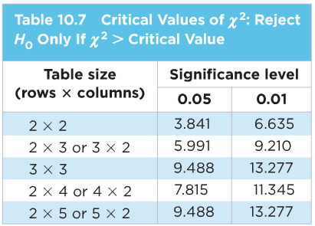

Pearson Education. (2009). Table 10.7 Critical Values of x². In W. L. Jeffrey O. Bennett, Statistical Reasoning for Everyday Life, Third Edition (p. 423).

